Sheet1
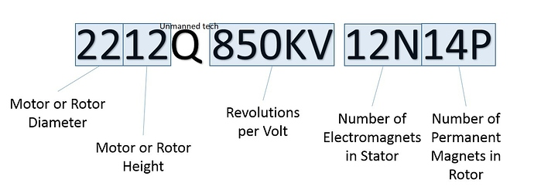
Component | Amount | Ind Price | Price | Total | Link | tutorial 2019 | https://www.youtube.com/watch?v=31ArBvYoG2Q&ab_channel=DroneMesh
Motor | 4 | 206.57 | 826.28 | 3034.14 | https://www.rcworld.co.za/product_details.php?proid=828 | tutorial 2021 | https://www.youtube.com/watch?v=SfFl_-tof4Y&ab_channel=DroneMesh
Frame | 1 | 212 | 212 |  | https://www.rcworld.co.za/product_details.php?proid=298 | kit | https://www.eachine.com/Eachine-Tyro69-105mm-F4-OSD-2_5-Inch-2-3S-DIY-FPV-Racing-Drone-PNP-w-or-Caddx-Beetle-V2-1200TVL-Camera-p-1583.html
ESC | 4 | 179 | 716 |  | https://flyingrobot.co/collections/speed-controllers/products/flycolor-raptor-bls-pro-blheli_s-30a-2-4s-dshot-brushless-esc | motors | https://flyingrobot.co/collections/brushless-motors?page=2
Flight Controller | 1 | 422.5 | 422.5 |  | https://www.rcworld.co.za/product_details.php?proid=1357 | frame | https://www.rcworld.co.za/product_details.php?proid=298
Battery | 1 | 288.36 | 288.36 |  | https://www.rcworld.co.za/product_details.php?proid=308
Receiver | 1 | 280 | 280 |  | https://www.goblinhobbies.co.za/fpv/receiver/frsky-xm-sbus-mini-receiver.html
Camera | 1 | 289 | 289 |  | https://flyingrobot.co/collections/fpv-cameras/products/c01-pro-fpv-micro-camera-4-3

 |  |  |  |  |  | Choices based on stock availability

